Thrust Bearings
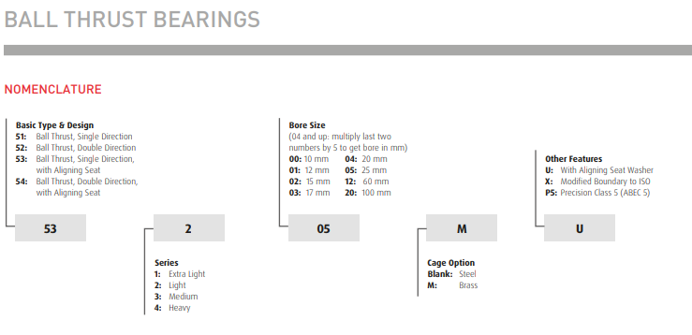
Thrust Bearings | Return to Contents
Over-the-Counter Identification Guide
(Ball, Needle, and Roller Thrust Bearings)
Audience: New counter staff / inside sales
Purpose: Correctly identify thrust bearings and avoid selling the wrong type for the load involved.
1. What Is a Thrust Bearing? (Plain Language)
A thrust bearing is designed to handle load in one direction only — along the shaft axis, not radially.
If the load is pushing along the shaft, not sideways, you’re dealing with a thrust bearing.
⚠️ Thrust bearings do not handle radial load unless specifically designed to.
2. Immediate Visual ID (5-Second Check)
You are likely looking at a thrust bearing if:
The bearing is made of flat washers
Load path is vertical, not radial
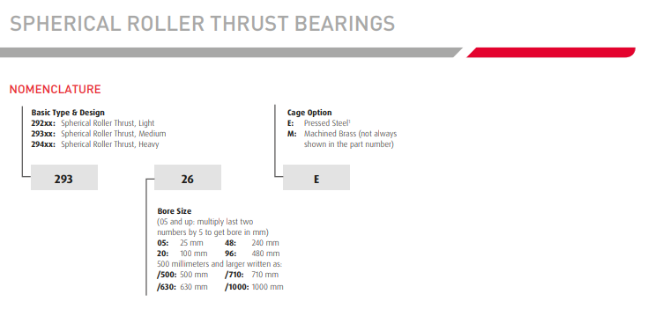
Parts stack together rather than press into a housing
Bearing can often be taken apart easily
3. 3-Piece Thrust Ball Bearings (Most Common)
What They Are
Three separate pieces:
Shaft washer
Ball cage
Housing washer
Designed for light to moderate thrust loads
Visual Clues
Flat washers with a ball cage in between
Washers are often different on each side
Typical Uses
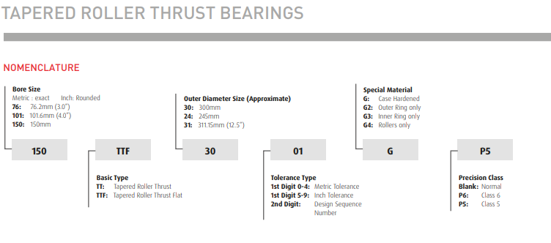
Light industrial equipment
Turntables
Low-speed applications
Counter Warning
🛑 Do not use for heavy loads or high speeds.
4. Thrust Needle Bearings
What They Are
Flat needle rollers between washers
Very thin profile
Visual Clues
Long, skinny rollers laid flat
Often supplied as:
Cage only
Cage + washers
Typical Uses
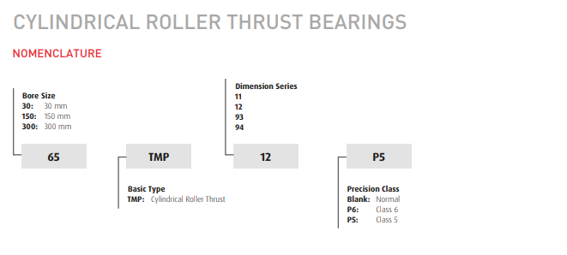
Tight spaces
Transmissions
Automotive components
Counter Tip
If space is tight → needle thrust is often chosen.
5. Thrust Roller Bearings (Heavy-Duty)
What They Are
Cylindrical or tapered rollers arranged for thrust load
Designed for very heavy axial loads
Visual Clues
Thick washers
Large rollers
Much heavier than ball or needle thrust bearings
Typical Uses
Heavy industrial machinery
Gearboxes
Presses
🛑 Never substitute a thrust ball bearing for a roller thrust bearing.
6. Key Identification Steps (CRITICAL)
Always identify:
Type (ball, needle, or roller)
Shaft washer ID
Housing washer OD
Overall thickness
⚠️ Mixing washers from different sets causes failure.
7. 30-Second Counter Questions (Thrust-Specific)
Ask these:
Is the load axial only?
How heavy is the load?
What speed does it run?
Is space limited?
Are washers included, or reuse old ones?
8. Common Customer Language → What It Means
“Thrust washer bearing” → Thrust bearing
“Vertical load” → Thrust application
“Pushing load” → Axial load
“Flat bearing” → Thrust bearing
9. Common Mistakes to Avoid
❌ Using thrust bearings for radial load
❌ Selling ball thrust for heavy-duty use
❌ Mixing old and new washers
❌ Ignoring speed limitations
10. When to Escalate
Escalate if:
Load is heavy or shock-based
Speed is high
Orientation is unclear
Bearing sees combined radial and thrust load
11. Final Counter Confidence Check
Before selling, confirm:
✔ Axial load only
✔ Correct thrust type selected
✔ Washers matched
✔ Load and speed make sense
If all four are confirmed → correct thrust bearing selected.

